SW_IT_NVP_014
Test case title: | Default values check for NVP_BLOCK_ID_CYCLE_0 - 31 block

Reference to design element ID: | ARCH_SW_NVP_0006

Test Classification: | Nominal

Purpose of test: | Check if default values are loaded if nothing was written into NVM

Test Status: | Ok

Environment/setup: | WinIdea + IC5000 Canoe + CANcase VN1160

Precondition: | ECU communication active ECU connected to debugger ECU in run mode

Test Case Description |  | Expected result | Actual result | Result
Step 1 | Mass erase | Memory cleared | Memory cleared | Ok
Step 2 | Download the software | Memory is filled by the content of the flashing files | Memory is filled by the content of the flashing files | Ok
Step 3 | Download the default values binary file | Default values area is filled by the content of the default values binary file | Default values area is filled by the content of the default values binary file | Ok
Step 4 | 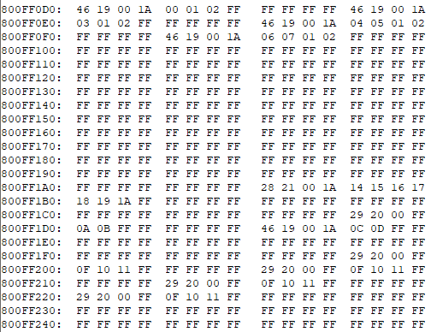 Check with the debugger if NVP_BLOCK_ID_CYCLE_0_RamBlockData.NVP_au8BeltProfilesDefinitions = | Values are loaded into block's related ram variable. | Values are loaded into block's related ram variable. | Ok

SW_IT_NVP_016
Test case title: | Default values check for NVP_BLOCK_ID_STEP_0 - 120 block

Reference to design element ID: | ARCH_SW_NVP_0007

Test Classification: | Nominal

Purpose of test: | Check if default values are loaded if nothing was written into NVM

Test Status: | Ok

Environment/setup: | WinIdea + IC5000 Canoe + CANcase VN1160

Precondition: | ECU communication active ECU connected to debugger ECU in run mode

Test Case Description |  | Expected result | Actual result | Result
Step 1 | Mass erase | Memory cleared | Memory cleared | Ok
Step 2 | Download the software | Memory is filled by the content of the flashing files | Memory is filled by the content of the flashing files | Ok
Step 3 | Download the default values binary file | Default values area is filled by the content of the default values binary file | Default values area is filled by the content of the default values binary file | Ok
Step 4 | 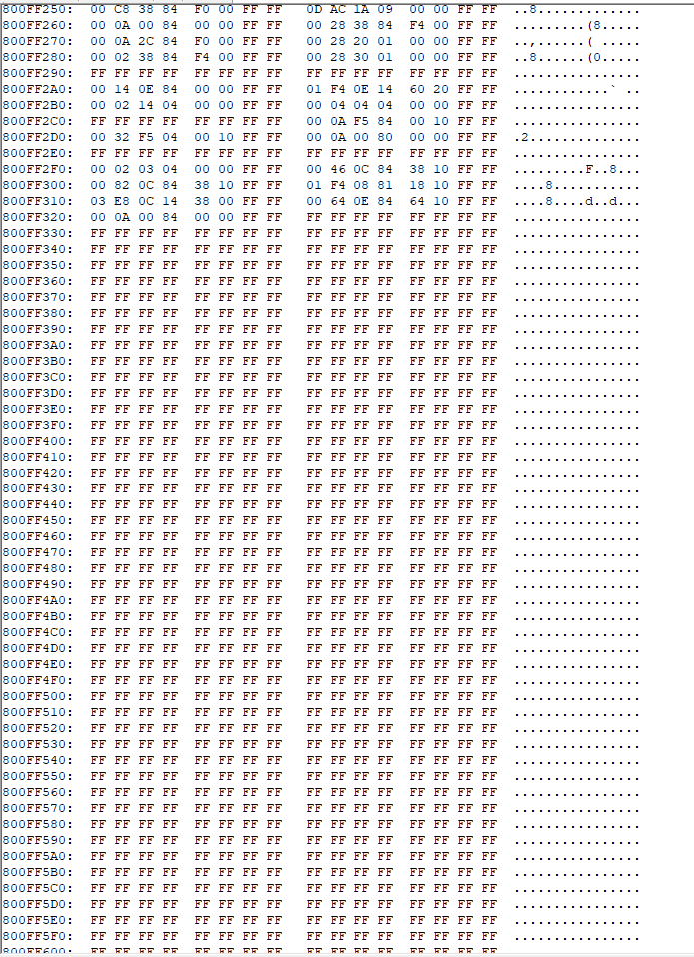 Check with the debugger if NVP_BLOCK_ID_STEP_0_RamBlockData.NVP_au8StepsDefinitions = | Values are loaded into block's related ram variable. | Values are loaded into block's related ram variable. | Ok

Metrics
no. of tests passed | 22 | percentage of tests passed | 100.00%
no. of test failed | 0 | percentage of tests failed | 0.00%
no. of tests not run | 0 | percentage tests not run | 0.00%
no. of tests not applicable | 0 | percentage tests not applicable | 0.00%
no. of Tests | 22

SW integration test progress

